Dashboard for Visualization
Nigeria Car Market

Average Vehicle Metrics: Nigerian Car Market
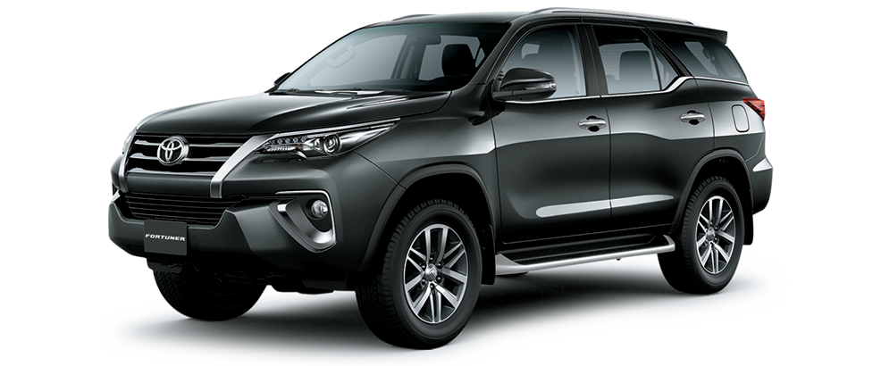
₦5.0M
217
28K
Location: Nigeria - Africa
(km)
(hp)
3.1K
(cc)

Price
Milage
Horse Power
Engine

 | Total
Volkswagen | 56
Acura | 56
Kia | 57
Hyundai | 97
Nissan | 111
Ford | 135
Mercedes-Benz | 261
Lexus | 289
Honda | 310
Toyota | 1126
Top 10 Most Popular Car Models in Nigeria

 | Total
Black | 741
Gray | 498
Silver | 484
Blue | 323
White | 279
Red | 205
Gold | 149
Green | 100
Brown | 46
Beige | 18
Which Color Wins? Top 10 Picks for Nigerian Cars
Naija Drivers' Choice: Automatic or Manual?
 | Total
Automatic | 2702
Manual | 171

